HYDEST
HYDROLOGICAL CALCULATION

Job | Due Deligence Study of Isuwa Khola HPP
Subject | HYDEST, 1991

Location | ISUWA
Catchment Area | 27542.56 | km2 |  | Monsoon Wetness index |  | 2500
Area Below 5000m | 16800.31 | km2 |  | Area Below 3000m |  | 701.04 | km2
Extreme Hydrology
Flood Flow, Q m3/s |  |  | Low Flows
Return Period | Instantaneous | Daily | Return Period | Day | Low flows, Q m3/s
2 | 593 | 420 | 2 | 1 | 130.2
5 | 887 | 585 |  | 7 | 135.1
10 | 1094 | 697 |  | 30 | 143.1
20 | 1300 | 804 |  | Monthly | 146.6
50 | 1580 | 945 | 10 | 1 | 107.7
100 | 1799 | 1052 |  | 7 | 111.2
200 | 2027 | 1161 |  | 30 | 117.9
500 | 2341 | 1308 |  | Monthly | 120.7
1000 | 2590 | 1423 | 20 | 1 | 102.7
5000 | 3210 | 1699 |  | 7 | 105.7
10000 | 3496 | 1824 |  | 30 | 112.2
 |  |  |  | Monthly | 114.6

Monthly Flow
Long term Hydrology
Mean Monthly Flows
Month | Flow, Q m3/s |  |  |  |  |  |  | C | A1 | A2 | A3
January | 192.5 |  |  |  |  |  |  | 0.014230 | 0 | 0.9777 | 0
February | 163.1 |  |  |  |  |  |  | 0.012190 | 0 | 0.9766 | 0
March | 159.5 |  |  |  |  |  |  | 0.009988 | 0 | 0.9948 | 0
April | 204.6 |  |  |  |  |  |  | 0.007974 | 0 | 1.0435 | 0
May | 339.5 |  |  |  |  |  |  | 0.008434 | 0 | 1.0898 | 0
June | 1426.3 |  |  |  |  |  |  | 0.006943 | 0.9968 | 0 | 0.2610
July | 2811.2 |  |  |  |  |  |  | 0.021230 | 0 | 1.009300 | 0.2523
August | 3207.5 |  |  |  |  |  |  | 0.025480 | 0 | 0.996300 | 0.2620
September | 2415.5 |  |  |  |  |  |  | 0.016770 | 0 | 0.989400 | 0.2878
October | 1034.4 |  |  |  |  |  |  | 0.009724 | 0 | 0.988000 | 0.2508
November | 689.8 |  |  |  |  |  |  | 0.001760 | 0.9605 | 0 | 0.3910
December | 427.9 |  |  |  |  |  |  | 0.001485 | 0.9536 | 0 | 0.3607
Mean Monthly Flow | 1089.3
Maximum flow occurred | 3207.5
Minimum flow | 159.5

Flow Duration Curve
Flow Duration Curve
Probability of Excedence (%) |  | Discharge
0 |  | 5086.4
5 |  | 3427.1
20 |  | 3155.0
40 |  | 961.7
50 |  | 712.8
60 |  | 463.8
65 |  | 395.2
80 |  | 189.3
95 |  | 150.3
100 |  | 109.5

Modified HYDEST
HYDROLOGICAL CALCULATION
Job | Due Deligence Study of Isuwa Khola HPP
Subject | Modified HYDEST
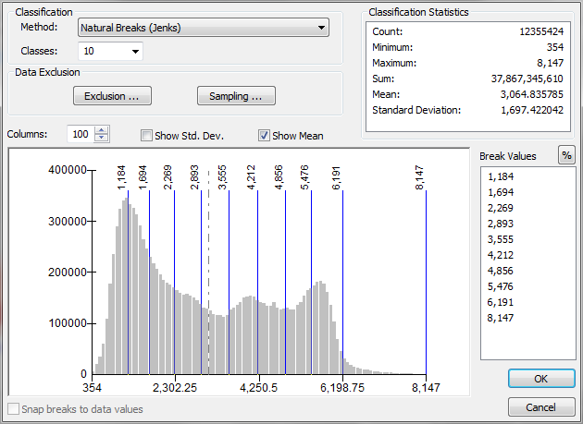
Location | ISUWA |  | Average altitude | 4847.32 | m
Catchment Area | 27542.56 | km2 | Annual Wetness index | 2500.0 | mm
Area Below 5000m | 16800.31 | km2 | Area Below 3000m | 701.04 | km2
Extreme Hydrology
Flood flows |  |  |  |  | Low Flows |  |  | Flood flows |  |  | Low Flows
Return Period, T yrs |  | Flood flows, Q m3/s |  |  | Return Period | Day | Low flows, Q m3/s | Standard Normal Variate, s |  |  | Cd,T | Fd,T
2 |  | 641 |  |  | 2 | 1 | 116.168 | 0 |  |  | 0.2144 | 0.08150
5 |  | 1021 |  |  |  | 7 | 120.875 | 0.842 |  |  | 0.2362 | 0.08300
10 |  | 1302 |  |  |  | 30 | 129.318 | 1.282 |  |  | 0.3026 | 0.08540
20 |  | 1591 |  |  |  | Monthly | 131.944 | 1.645 |  |  | 0.3397 | 0.08600
50 |  | 1994 |  |  | 10 | 1 | 90.914 | 2.054 |  |  | 0.0859 | 0.07290
100 |  | 2317 |  |  |  | 7 | 95.791 | 2.326 |  |  | 0.0920 | 0.07480
200 |  | 2660 |  |  |  | 30 | 102.198 | 2.576 |  |  | 0.1807 | 0.07660
500 |  | 3142 |  |  |  | Monthly | 105.780 | 2.878 |  |  | 0.2138 | 0.07770
1000 |  | 3533 |  |  | 20 | 1 | 84.306 | 3.09 |  |  | 0.0698 | 0.07030
5000 |  | 4529 |  |  |  | 7 | 89.801 | 3.54 |  |  | 0.0662 | 0.07260
10000 |  | 4999 |  |  |  | 30 | 95.617 | 3.719 |  |  | 0.1609 | 0.07420
 |  |  |  |  |  | Monthly | 99.352 |  |  |  | 0.1945 | 0.07540

Long term Hydrology
Monthly Flow
Mean Monthly Flows
Month | Flow, Q m3/s
January | 49.0 |  |  |  |  |  |  | Const | Elevation | Annual Precipitation | Area below 3000 | Area below 5000
February | 42.6 |  |  |  |  |  |  | a | b | c | d | e
March | 148.3 |  |  |  |  |  |  | -16.7000 | 1.360 | 0.470 | 0.820 | -
April | 186.6 |  |  |  |  |  |  | -17.2000 | 1.420 | 0.456 | 0.814 | -
May | 310.7 |  |  |  |  |  |  | 0.3840 | - | - | - | 0.091
June | 226.7 |  |  |  |  |  |  | 0.1810 | - | - | - | 0.104
July | 456.5 |  |  |  |  |  |  | 0.0001 | - | - | - | 0.136
August | 599.9 |  |  |  |  |  |  | -19.5000 | 1.610 | 0.709 | 0.872 | -
September | 369.2 |  |  |  |  |  |  | -16.3000 | 1.260 | 0.759 | 0.884 | -
October | 182.4 |  |  |  |  |  |  | -14.7000 | 1.240 | 0.622 | 0.871 | -
November | 90.2 |  |  |  |  |  |  | -13.7000 | 1.090 | 0.594 | 0.872 | -
December | 61.9 |  |  |  |  |  |  | -15.3000 | 1.210 | 0.600 | 0.846 | -
Mean Monthly Flows | 227.0 |  |  |  |  |  |  | -16.7000 | 1.360 | 0.543 | 0.826 | -
Maximum flow occurred | 599.9 |  |  |  |  |  |  | -17.0000 | 1.390 | 0.504 | 0.822 | -
Minimum flow | 42.6
Ratio | 14.1

Flow Duration curve |  |  |  |  |  |  |  | Const | Elevation | Annual Precipitation | Area below 3000 | Area below 5000
Probability percentage,% |  | Flow, Q m3/s |  |  |  |  |  | a | b | c | d | e
0 |  | 712.3 |  |  |  |  |  | -12.80 | 0.366 | - | 0.529 | -
5 |  | 533.2 |  |  |  |  |  | -13.60 | 1.108 | 0.607 | 0.874 | -
20 |  | 372.7 |  |  |  |  |  | -17.00 | 1.359 | 0.716 | 0.883 | -
40 |  | 141.0 |  |  |  |  |  | -19.00 | 1.554 | 0.656 | 0.859 | -
50 |  | 103.6
60 |  | 66.1 |  |  |  |  |  | -18.30 | 1.535 | 0.513 | 0.832 | -
65 |  | 62.2
80 |  | 50.6 |  |  |  |  |  | -19.40 | 1.589 | 0.559 | 0.834 | -
95 |  | 40.2 |  |  |  |  |  | -21.20 | 1.732 | 0.598 | 0.842 | -
100 |  | 104.0 |  |  |  |  |  | -2.18 | - | 0.048 | - | 0.077

